1. Title Page
[Project Name]

Project Name: Instacart Grocery Basket Analysis
Date: 04-Dec-2024
Analyst Name: Vijay Kasturi

Contents:
Population Flow
Consistency checks
Wrangling steps
Column derivations
Visualizations
Recommendations

Data Source:
"The Instacart Grocery Shopping Dataset 2017", Accessed from https://www.instacart.com/datasets/grocery-shopping-2017

Data Citation:
Customer data and the “prices” column in the products data set were fabricated for the purpose of this course.

2. Population Flow
Title page

Population flow

Exclusion flag
Condition: max_order <
Obervations to be removed:
Final total count of order_products_all:

Orders_products_combined
Orders_products_merged
Orders_products_all

Total: 32404859
Total: 32434489
Total: 32404859

1.) The grey boxes in the first row of the population flow represent the original data sets as they were when you downloaded them. In the Total fields you need to add the count of the rows when you imported the data set into Jupyter.
2.) The second row of boxes (coloured) represents the data sets after you manipulated them, e.g., removed missing values and duplicates. In the Total fields you need to add the count of the rows after conducting these operations. This offers a visual oveview of how the data flows throughout the data consistency checks.
3.) The third row, where also the arrows are coloured, represents the merges you performed between the datasets. In the Total fields you need to add the count of the rows in the merged datasets, so that you end up with the final dataset (in the red box). Keep in mind the final dataset should be without exclusions (based on the exclusion flag).

3. Consistency checks
 |  |  |  | Title page
Consistency checks

Dataset | Missing values | Missing values treatment | Duplicates
orders | 206209 values in days_since_prior_order column | Imputed values to median (7) | No duplicates.
products | 16 values in product_name column | deleted rows | 5 duplicate rows. Removed them.
orders_products_prior | No missing values | N/A | No duplicates.
customers | No missing values | N/A | No duplicates.

4. Wrangling steps
 |  |  |  |  | Title page
Wrangling steps

Data Set | Columns dropped | Columns renamed | Columns' type changed | Comment/Reason
orders | eval_set |  |  | Not required for analysis
 |  | order_dow |  | Renamed to "order_day_of_week" for clarity
 |  |  | order_id | Changed data type to 'str'
 |  |  | user_id | Changed data type to 'str'

departments |  |  |  | Transposed dataset from wide format to long format and reset index

customers |  | Surnam |  | Renamed to "Last Name"
 |  | fam_status |  | Renamed to "Marital Status"
 |  | income |  | Renamed to "Annual Income"
 |  | n_dependants |  | Renamed to "No of Dependents"
 | date_joined |  |  | Not required for analysis
 |  |  | First Name | Changed data type to 'str'

merged_data | First Name, Last Name |  |  | Dropped due to Data Privacy concerns. Not necessary for analysis.

merged_data_new | Exclusion_flag |  |  | Not required anymore as we have created a subset of high-activity customers

5. Column derivations
 |  |  |  |  | Title page

Column derivations and aggregations

In this tab you should add tables below that the frequences of flags/label variables that you produced after deriving them. NB: don't do this for continuous variables, only for flags.
Dataset | New column | Column/s it was derived from | Conditions
orders_products_merged | price_range_loc | prices | If 'prices' > 15, then 'High-range product'
 |  |  | If 'prices' > 5 & <= 15, 'price_range_loc'] then 'Mid-range product'
 |  |  | If 'prices' <= 5, then 'Low-range product' | price_range_loc |  | daily_traffic_label
orders_products_merged | busiest_day | orders_day_of_week | 0 (Saturday) = "Busiest day" | Mid-range product 21860860 |  | Regular days 12916111
 |  |  | 4 (Wednesday) = "Least busy" | Low-range product 10126321 |  | Busiest days 11864412
 |  |  | Others = "Regularly busy" | High-range product 417678 |  | Slowest days 7624336
orders_products_merged | daily_traffic_label | orders_day_of_week | 0 (Saturday) or 1 (Sunday) = "Busiest days"
 |  |  | 4 (Wednesday) or 3 (Tuesday) = "Slowest days" | busiest_period_of_day |  | loyalty_flag
 |  |  | Others = "Regular days" | Most orders 22388024 |  | Regular customer 15876776
orders_products_merged | busiest_period_of_day | order_hour_of_day | Range: 0 - 6 = "Fewest orders" | Average orders 9420507 |  | Loyal customer 10284093
 |  |  | Range: 10 - 19 = "Most orders" | Fewest orders 596328 |  | New customer 6243990
 |  |  | Others = "Average orders"
orders_products_merged | max_order | order_number, user_id | This is the maximum value of "order_number", grouped by "user_id" | frequency_flag |  | spending_flag
orders_products_merged | loyalty_flag | max_order | max_order > 40, then "Loyal customer" | Frequent Customer 22790523 |  | Low Spender 31770614
 |  |  | max_order > 10 and <= 40, then "Regular customer" | Regular Customer 6927608 |  | High Spender 634245
 |  |  | max_order <= 10, then "New customer" | Non-Frequent Customer 2686728
orders_products_merged | ord_freq | days_since_prior_order, user_id | This is the median value of "days_since_prior_order", grouped by "user_id"
orders_products_merged | frequency_flag | ord_freq | ord_freq <= 10, then "Frequent Customer" | Region |  | High Spender Low Spender
 |  |  | ord_freq > 10 and <= 20, then "Regular Customer" | South 10791885 |  | Midwest 155975 7441350
 |  |  | ord_freq > 20, then "Non-Frequent Customer" | West 8292913 |  | Northeast 108225 5614511
orders_products_merged | avg_price | prices, user_id | This is the mean value of "prices", grouped by "user_id" | Midwest 7597325 |  | South 209691 10582194
orders_products_merged | spending_flag | avg_price | avg_price >= 10, then "High Spender" | Northeast 5722736 |  | West 160354 8132559
 |  |  | avg_price < 10, then "Low Spender"
data_merged | Region | STATE | Classify states into regions based on Wikipedia's classification
data_merged | crosstab | Region, spending_flag |  | Exclusion_flag |  | Age Group
data_merged | Exclusion_flag | max_order | max_order < 10, then "Exclude" | Keep 30964564 |  | Boomer 10112607
 |  |  | max_order >= 5, then "Keep" | Exclude 1440295 |  | Gen-X 9703524
data_merged_new | Age Group | Age | Age > 60, then "Boomer" |  |  | Millennial 7283915
 |  |  | Age > 40 & <= 60, then "Gen-X" | Income Group |  | Gen-Y 3864518
 |  |  | Age > 25 & <= 40, then "Millennial" | High Income 14207028
 |  |  | Age < 25, then "Gen-Y" | Middle Income 13394982
data_merged_new | Income Group | Annual Income | Annual Income > 100000, then "High Income" | Low Income 3362554
 |  |  | Annual Income > 50000 & <= 100000, then "Middle Income"
 |  |  | Annual Income <= 50000, then "Low Income"
data_merged_new | Demographic | Age, no of Dependents | Age < 25 & No of dependents = 0, then "Single Adult" | Demographic
 |  |  | Age >= 25 & Age < 35 & No of Dependents > 0 and Department_id = 18 (babies), then "Young Parent" | Other 22225759
 |  |  | Else, "Other" | Young Parent 3589053
 |  |  |  | Single Adult 825510

6. Visualizations
 | Title page

Visualisations

1. The sales team needs to know what the busiest days of the week and hours of the day are (i.e., the days and times with the most orders) in order to schedule ads at times when there are fewer orders.




Legend: 0 = Saturday; 6 = Friday

Saturday & Sunday are the busiest days of the week. Peak activity is observed between the hours of 9 AM & 4PM (9-16) during the day.

2. They also want to know whether there are particular times of the day when people spend the most money, as this might inform the type of products they advertise at these times.

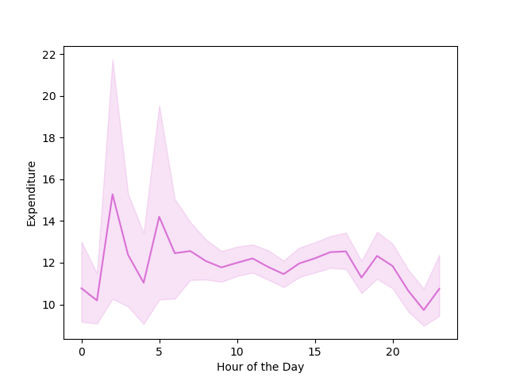

Spending is largely steady during the day (9AM - 8PM). There are some spikes in the early mornings (2AM & 5PM).

3. Are there certain types of products that are more popular than others? The marketing and sales teams want to know which departments have the highest frequency of product orders

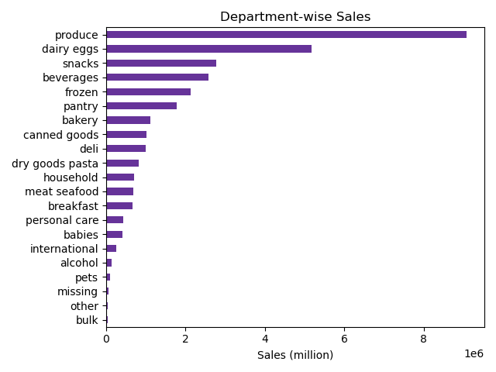

Produce has the highest frequency of orders, followed by Dairy / eggs.

4. What’s the distribution among users in regards to their brand loyalty (i.e., how often do they return to Instacart)? Are there differences in ordering habits based on a customer’s loyalty status?

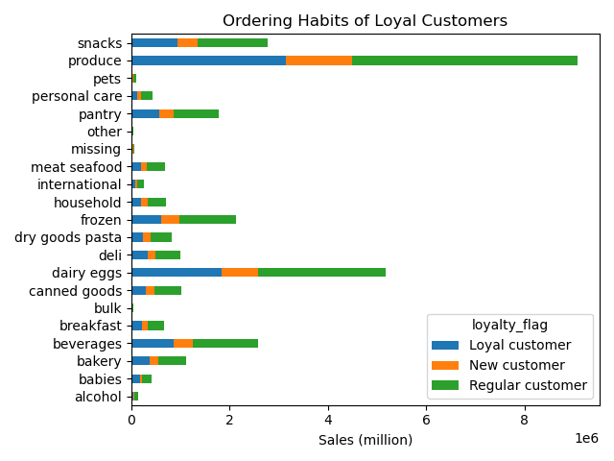
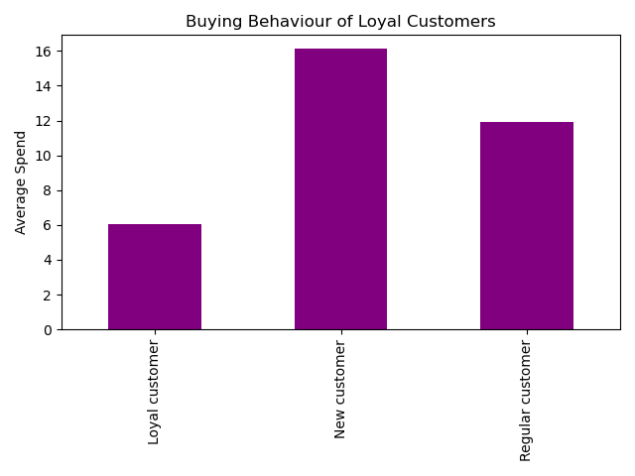
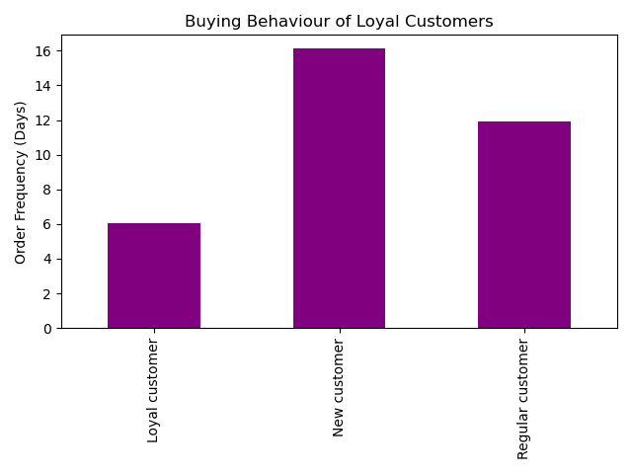

Loyal Customers return on an average every 6 days. They also tend to spend lower than New or Regular customers. There is no discernible differences in buying behaviour of Loyal customers compared to the others.

5. Are there differences in ordering habits based on a customer’s region?

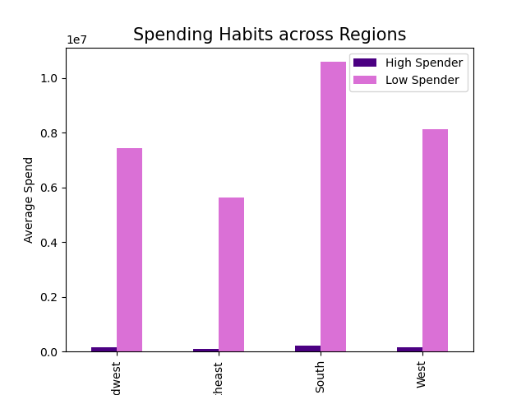
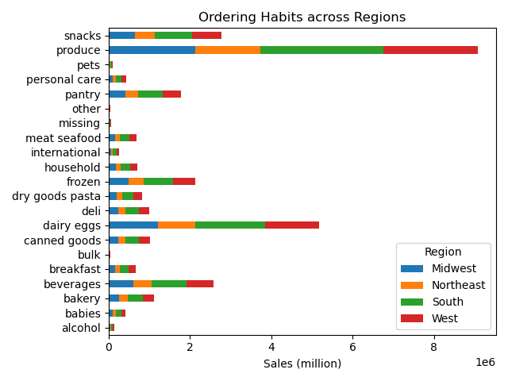

Low Spenders far outnumber High Spenders across the regions. South has the largest number of Low Spenders, followed by West, Midwest, and finally Northeast. There is no discernible differences in regional buying behaviour compared to the national average.

6. Is there a connection between age and family status in terms of ordering habits?
9. What differences can you find in ordering habits of different customer profiles?

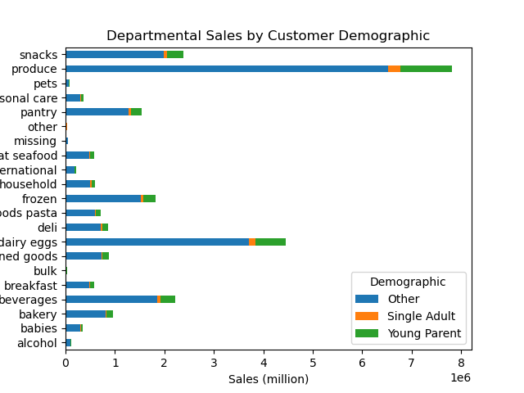
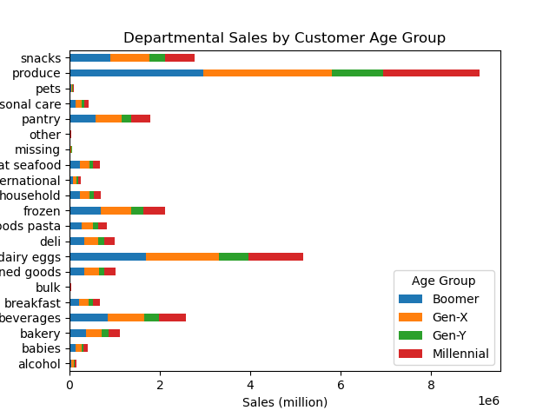
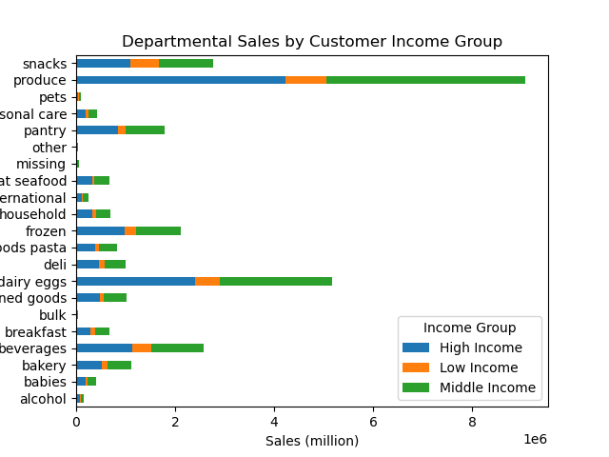

Gen-X (40-59 years) are the dominant age group across departments. Naturally, the High Income customers (> 100K annual) outspend the others. In terms of demographics / family status, Single Adults & Young Parents tend to spend lower than the other customers.

7. What different classifications does the demographic information suggest? Age? Income? Certain types of goods? Family status?

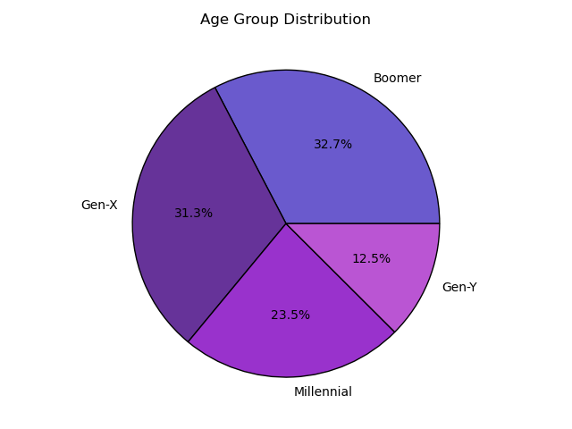
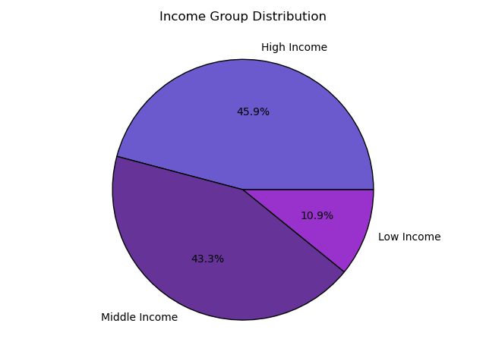
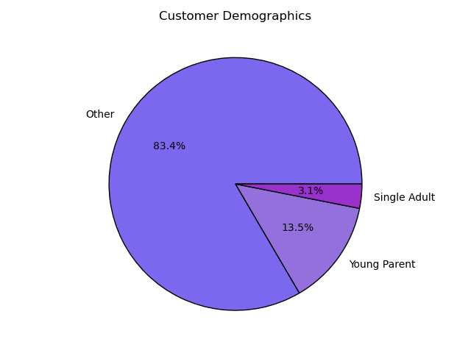

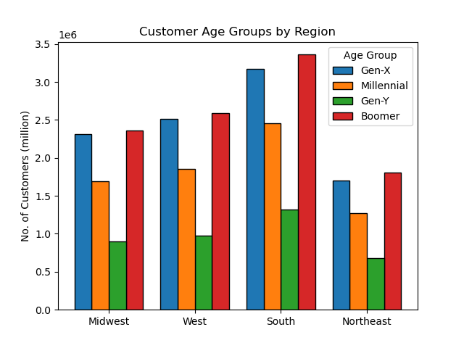
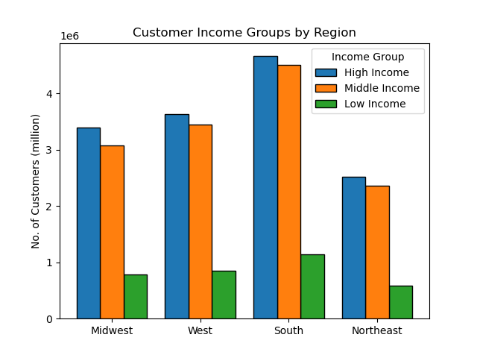
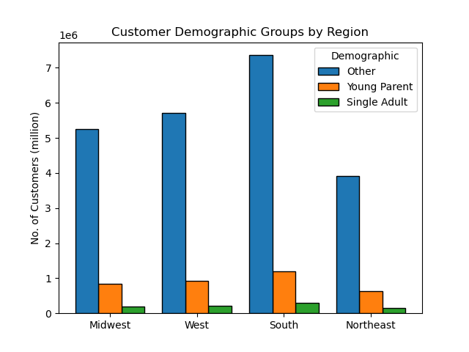

Instacart's customer base is strongest in the age group 40+ (Gen-X & Boomers) across regions. Low income groups (< 50K annual) are the smallest customer group. Similarly, Single Adults & Young Parents make up around 15% of the customer base. These customer classifications also have a direct correlation to sales as we have seen above.

Low Spenders far outnumber High Spenders across the regions. South has the largest number of Low Spenders, followed by West, Midwest, and finally Northeast. There is no discernible differences in regional buying behaviour compared to the national average.

7. Recommendations
 |  |  | Title page

Recommendations

 | Question | Answer
Key Question 1 | What are the busiest days of the week and the busiest hours of the day? | The busiest days of the week are Saturday and Sunday between the hours of 9AM to 4PM. Tuesday & Wednesday are the least busy days. The periods of lowest order frequency are between 2AM - 5AM and 8PM - 11PM. Therefore, Instacart should schedule ads on these days between 8 PM - 10 PM There is no use in scheduling ads during the early hours or after 10PM, as most customers may be in bed.
Key Question 2 | Are there particular times of the day when people spend the most money? | Spending is largely steady during the day (9AM - 8PM). There are some spikes in the early mornings (2AM & 5PM). These could be down to certain outlier high value transactions, or the result of some previous campaigns. Moreover, the forecast (thickness of the translucent band) shows low confidence of repeatability unless external factors come into play. Recommendation is that Instacart run ads / promotions for sales during these lean hours (10PM - 6AM) to give a boost to sales. Moreover, they should run specific product related campaigns during the period 6AM - 10PM to get sales spikes for departments that are not doing well overall.
Key Question 3 | Are there certain types of products that are more popular than others? | The top 6 departments are Produce, Dairy & eggs, Snacks, Beverages, Frozen & Pantry. These are typically associated with staples and consitute recurring purchases. Running any campaigns or offering discounts in these departments may not necessarily lead to sustainable increase in their sales. So, it is recommended instead to offer discounts on the other departments, especially taken in conjunction with the findings for the 1st 2 questions regarding days & hours to run these campaigns.
Key Question 4 | What’s the distribution among users in regards to their brand loyalty? Are there differences in ordering habits based on a customer’s loyalty status? | Loyal Customers return on an average every 6 days. They also tend to spend lower than New or Regular customers. There is no discernible differences in buying behaviour of Loyal customers compared to the others. This is counter-intuitive to the idea of Loyalty, so the problem could be in the way that loyalty is defined by Instacart. Instead of purely going by number of orders, loyalty should be defined by the frequency of orders and value of orders, with customers needing to re-qualify every year by meeting the criteria. Moreover, there should be incentives for the other customers to ramp up their buying with Instacart in order to qualify for loyaty status.
Key Question 5 | Are there differences in ordering habits based on a customer’s region? | There is no discernible differences in regional buying behaviour compared to the national average. Low Spenders far outnumber High Spenders across the regions. South has the largest number of Low Spenders, followed by West, Midwest, and finally Northeast. As we know, "Low Spenders" are those who spend less than $10 on average. Instacart should target these customers across regions and incentivize them to spend more, either by offering discounts on price or by offering freebies.
Key Question 6 & 7 | Is there a connection between age and family status in terms of ordering habits? What differences can you find in ordering habits of different customer profiles? What different classifications does the demographic information suggest? | Instacart's customer base is strongest in the age group 40+ (Gen-X & Boomers) across regions. Low income groups (< 50K annual) are the smallest customer group. Similarly, Single Adults & Young Parents make up around 15% of the customer base. These customer classifications also have a direct correlation to sales as we have seen. Gen-X (40-59 years) are the dominant age group across departments. Naturally, the High Income customers (> 100K annual) outspend the others. In terms of demographics / family status, Single Adults & Young Parents tend to spend lower than the other customers. Instacart should do the following: 1. introduce specific incentives for Single Adults & Young Parents, while ensuring the others customers are catered for in the Loyalty program 2. Focus their marketing dollars on Gen-X & Boomers while running specific acquisition campaigns to attract the Gen-Y & Millennials, may be through a collab with popular social media influencers.

